Regions
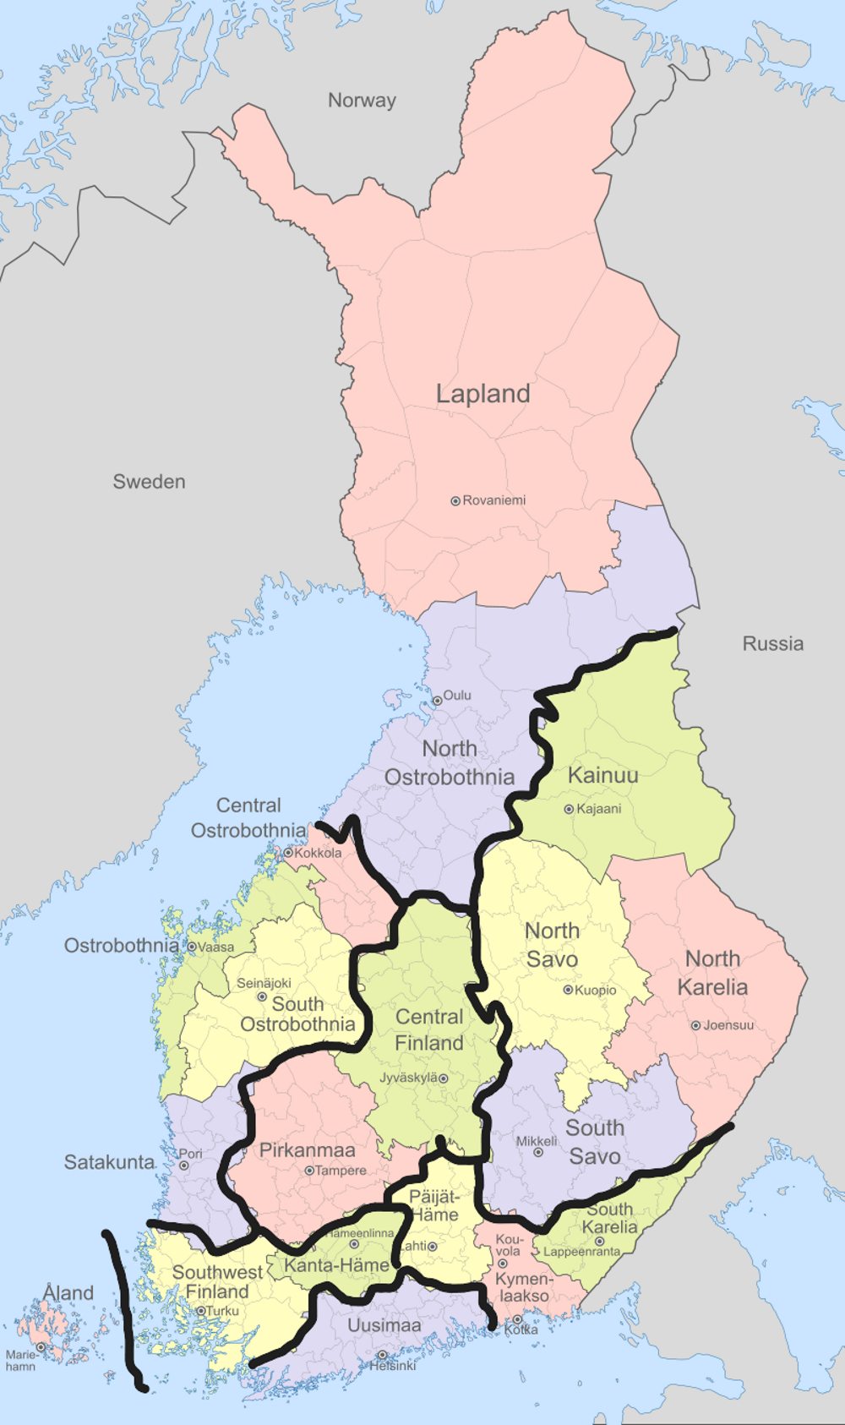
Geographic order |  |  |  |  | Alphabetic order
Model | Administrative (FI) | Administrative (EN) | Population |  | Model | Administrative
North | Lappi | Lapland | 176,494 | 592,097 | South West | Åland
North | Pohjois-Pohjanmaa | North Ostrobothnia | 415,603 |  | Center | Central Finland
West | Keski-Pohjanmaa | Central Ostrobothnia | 67,915 | 649,999 | West | Central Ostrobothnia
West | Pohjanmaa | Ostrobothnia | 176,041 |  | East | Kainuu
West | Etlä-Pohjanmaa | South Ostrobothnia | 191,762 |  | South West | Kanta-Häme
West | Satakunta | Satakunta | 214,281 |  | South East | Kymenlaakso
Center | Pirkanmaa | Pirkanmaa | 527,478 | 800,161 | North | Lapland
Center | Keski-Suomi | Central Finland | 272,683 |  | East | North Karelia
East | Kainuu | Kainuu | 71,255 | 614,587 | North | North Ostrobothnia
East | Pohjois-Savo | North Savo | 248,363 |  | East | North Savo
East | Etelä-Savo | South Savo | 131,688 |  | West | Ostrobothnia
East | Pohjois-Karjala | North Karelia | 163,281 |  | South East | Päijät-Häme
South West | Ahvenanmaa | Åland | 30,344 | 684,034 | Center | Pirkanmaa
South West | Varsinais-Suomi | Southwest Finland | 483,477 |  | West | Satakunta
South West | Kanta-Häme | Kanta-Häme | 170,213 |  | South East | South Karelia
South East | Päijät-Häme | Päijät-Häme | 205,124 | 492,622 | West | South Ostrobothnia
South East | Kymenlaakso | Kymenlaakso | 161,391 |  | East | South Savo
South East | Etelä-Karjala | South Karelia | 126,107 |  | South West | Southwest Finland
Uusimaa | Uusimaa | Uusimaa | 1,714,741 | 1,714,741 | Uusimaa | Uusimaa

D_el
1. Data
Source [1] | Sahkonkulutus-maakunnittain-2007-2023.xlsx |  |  |  |  | (Finnish Energy) |  |  |  |  | Source [2] | Demand Scenarios TYNDP 2024 After Public Consultation.xslx |  |  |  | Statistics Finland (2023) |  |  |  |  | Industry | Commerce | Residence |  | Industry | Commerce | Residence
Terminology simplifications: residence - housing and agriculture, commerce - service and buildings |  |  |  |  |  |  |  |  |  |  | Notations: REF - reference of 2019, DE - Distributed Energy 2035 scenario |  |  |  | Source [4] | Energy use in manufacturing by Year, Region and Information. PxWeb |  |  |  | 2007 | 47,677 | 17,263 | 22,391 | Uusimaa | 4,073 | 6,791 | 5,840 | 16,161
[GWh] |  | 2007 |  |  |  | 2023 |  |  |  |  | [GWh] | REF | DE |  | Source [5] | Total electricity consumption by Year, Region, Manufacturing branch and Information. PxWeb |  |  |  | 2023 | 34,100 | 19,428 | 23,575 | Southwest Finland | 1,041 | 1,661 | 2,146 | 1,887
 |  | Industry | Commerce | Residence | Total | Industry | Commerce | Residence | Total |  | Households | 24,142 | 29,822 | 23% |  |  | Electricity | Energy | Electfication | 2035* | 85,806 | 16,270 | 29,822 | Satakunta | 3,334 | 707 | 1,040 | 6,114
Uusimaa |  | 2,912 | 5,497 | 4,658 | 13,066 | 4,073 | 6,791 | 5,840 | 16,704 |  | Buildings | 18,497 | 16,270 | 12% | Uusimaa |  | 4,650 | 20,811 | 22% |  | 2.5 |  |  | Kanta-Häme | 753 | 578 | 800 | 1,033
Varsinais-Suomi |  | 1,477 | 1,356 | 2,018 | 4,852 | 1,041 | 1,661 | 2,146 | 4,847 |  | Industry | 41,166 | 85,806 | 65% | Varsinais-Suomi |  | 955 | 2,842 | 34% |  |  |  |  | Pirkanmaa | 1,972 | 1,643 | 2,188 | 2,663
Satakunta |  | 4,946 | 574 | 995 | 6,514 | 3,334 | 707 | 1,040 | 5,080 |  | Transport | 859 | 9,937 |  | Satakunta |  | 3,123 | 9,237 | 34% |  |  |  |  | Päijät-Häme | 741 | 566 | 848 | 1,551
Kanta-Häme |  | 803 | 566 | 766 | 2,136 | 753 | 578 | 800 | 2,130 |  | Agriculture | 1,475 | 1,980 |  | Kanta-Häme |  | 668 | 1,701 | 39% |  |  |  |  | Kymenlaakso | 2,023 | 945 | 713 | 7,929
Pirkanmaa |  | 3,170 | 1,336 | 1,854 | 6,360 | 1,972 | 1,643 | 2,188 | 5,804 |  | Other | 0 | 0 |  | Pirkanmaa |  | 2,012 | 4,675 | 43% |  |  |  |  | South Karelia | 3,933 | 417 | 492 | 14,579
Päijät-Häme |  | 873 | 607 | 851 | 2,331 | 741 | 566 | 848 | 2,154 |  | Energy | 2,597 | 2,597 |  | Päijät-Häme |  | 706 | 2,257 | 31% |  |  |  |  | South Savo | 332 | 429 | 654 | 869
Kymenlaakso |  | 5,234 | 671 | 790 | 6,694 | 2,023 | 945 | 713 | 3,681 |  | Total | 88,737 | 146,412 |  | Kymenlaakso |  | 2,214 | 10,143 | 22% |  |  |  |  | North Savo | 1,569 | 765 | 1,015 | 3,102
Etelä-Karjala |  | 4,967 | 435 | 551 | 5,953 | 3,933 | 417 | 492 | 4,842 |  | Total main | 83,806 | 131,897 |  | South Karelia |  | 3,580 | 18,159 | 20% |  |  |  |  | North Karelia | 1,254 | 433 | 701 | 3,665
Etelä-Savo |  | 411 | 468 | 769 | 1,649 | 332 | 429 | 654 | 1,415 |  |  |  |  |  | Etelä-Savo |  | 341 | 1,210 | 28% |  |  |  |  | Central Finland | 2,365 | 791 | 1,209 | 9,119
Pohjois-Savo |  | 2,194 | 709 | 1,078 | 3,981 | 1,569 | 765 | 1,015 | 3,349 |  | Source [3] TYNDP 2024 Visualization platfrom (DE 2035 scenario) |  |  |  | Pohjois-Savo |  | 1,357 | 4,459 | 30% |  |  |  |  | South Ostrobothnia | 545 | 622 | 925 | 751
Pohjois-Karjala |  | 1,053 | 464 | 734 | 2,251 | 1,254 | 433 | 701 | 2,388 |  | Native | 132,860 |  |  | North Karelia |  | 788 | 4,453 | 18% |  |  |  |  | Ostrobothnia | 1,125 | 619 | 1,250 | 5,358
Keski-Suomi |  | 4,749 | 778 | 1,252 | 6,779 | 2,365 | 791 | 1,209 | 4,365 |  | Electrolyser | 72,580 |  |  | Central Finland |  | 2,226 | 11,345 | 20% |  |  |  |  | Central Ostrobothnia | 1,525 | 176 | 341 | 852
Etelä-Pohjanmaa |  | 538 | 542 | 878 | 1,957 | 545 | 622 | 925 | 2,092 |  | EV | 4,920 |  |  | South Ostrobothnia |  | 625 | 1,376 | 45% |  |  |  |  | North Ostrobothnia | 2,419 | 1,254 | 1,784 | 10,151
Pohjanmaa |  | 2,043 | 462 | 968 | 3,474 | 1,125 | 619 | 1,250 | 2,994 |  | Battery | 1,050 |  |  | Ostrobothnia |  | 1,477 | 6,835 | 22% |  |  |  |  | Kainuu | 713 | 249 | 310 | 323
Keski-Pohjanmaa |  | 1,507 | 214 | 335 | 2,057 | 1,525 | 176 | 341 | 2,042 |  | Total | 211,410 |  |  | Central Ostrobothnia |  | 1,497 | 2,349 | 64% |  |  |  |  | Lapland | 4,357 | 677 | 1,190 | 6,899
Pohjois-Pohjanmaa |  | 3,129 | 1,231 | 1,774 | 6,135 | 2,419 | 1,254 | 1,784 | 5,456 |  |  |  |  |  | North Ostrobothnia |  | 1,852 | 12,003 | 15% |  |  |  |  | Åland | 26 | 106 | 132 | 41
Kainuu |  | 1,772 | 291 | 371 | 2,433 | 713 | 249 | 310 | 1,272 |  |  |  |  |  | Kainuu |  | 694 | 1,017 | 68%
Lappi |  | 4,035 | 726 | 1,121 | 5,882 | 4,357 | 677 | 1,190 | 6,223 |  |  |  |  |  | Lapland |  | 4,163 | 11,062 | 38%
2023
Itä-Uusimaa |  | 1,831 | 237 | 508 | 2,576 |  |  |  |  |  |  |  |  |  | Åland |  | 31 | 72 | 43%
Ahvenanmaa |  | 30 | 99 | 120 | 249 | 26 | 106 | 132 | 264 |  |  |  |  |  | Total |  | 32,959 | 126,006 | 26%
Total |  | 47,677 | 17,263 | 22,391 | 87,330 | 34,100 | 19,428 | 23,575 | 77,103 | 2.52
 |  | 55% | 20% | 26% |  | 44% | 25% | 31%

2. Assessment of trends

Assessment of national trends |  |  |  |  |  |  |  |  | Trends were initially observed by tinkering with regional values (present bellow in hidden rows), but are much more clearly visible when comparing national values.
Trend observed |  | Coresponding demand |  | Absolute |  | Relative
 |  |  |  | Historic | Projected | Historic | Projected
Total growth |  | Total |  | -10,227 | 48,092 | -12% | 57%
Deindustriliaziation |  | Industrial |  | -13,577 | 44,640 | -10% | 16%
Centralization |  | Uusimaa |  | -1,062 | 9,857 | 4% | -2% |  | Projected change for Uusimaa demand are based on regional breakdown assumed in part 3

3. Attempt #2. Combining sources 1+2+4.
Assumptions |  | (1) Industrial electricity demand grows due to electrification of existing industrial energy demand. (2) Electrification share of currently unelectrified demand is equal across all regions.
 |  | (3) Residencial and commertial demand change by same multiplier for annual value to match tyndp2024 projection.
2035 [GWh] |  | Unelectrified industry | Industry | Commerce | Residence | Total | Electrification share
Uusimaa |  | 16,738 | 13,487 | 5,687 | 7,387 | 26,561 | 65% |  | Electification share increase |  |  | 56%
2035*
Varsinais-Suomi |  | 1,801 | 2,054 | 1,391 | 2,715 | 6,160 | 72%
Satakunta |  | 5,903 | 6,654 | 592 | 1,316 | 8,562 | 72%
Kanta-Häme |  | 948 | 1,286 | 484 | 1,012 | 2,782 | 76% |  |  | Unelectrified industry | Industry | Commerce | Residence | Total el.
Pirkanmaa |  | 2,703 | 3,492 | 1,376 | 2,768 | 7,636 | 75% |  | North | 7,127 | 15,938 | 1,617 | 3,762 | 21,317
Päijät-Häme |  | 1,516 | 1,594 | 474 | 1,073 | 3,140 | 71% |  | West | 5,806 | 13,991 | 1,779 | 4,498 | 20,268
Kymenlaakso |  | 8,120 | 6,590 | 791 | 902 | 8,283 | 65% |  | Center | 5,112 | 10,908 | 2,038 | 4,297 | 17,243
Etelä-Karjala |  | 14,226 | 11,934 | 349 | 622 | 12,906 | 66% |  | East | 3,182 | 7,957 | 1,571 | 3,390 | 12,919
Etelä-Savo |  | 878 | 826 | 359 | 827 | 2,012 | 68% |  | South West | 1,234 | 3,381 | 1,964 | 3,894 | 9,238
Pohjois-Savo |  | 2,890 | 3,194 | 641 | 1,284 | 5,119 | 72% |  | South East | 10,441 | 20,118 | 1,615 | 2,597 | 24,329
Pohjois-Karjala |  | 3,199 | 3,053 | 363 | 887 | 4,303 | 69% |  | Uusimaa | 7,324 | 13,487 | 5,687 | 7,387 | 26,561
Keski-Suomi |  | 8,980 | 7,416 | 662 | 1,529 | 9,607 | 65% |  |  | 32,902 | 72,293 | 10,583 | 22,438 | 105,314
Etelä-Pohjanmaa |  | 831 | 1,012 | 521 | 1,170 | 2,703 | 74%
Pohjanmaa |  | 5,710 | 4,337 | 518 | 1,581 | 6,436 | 63%
Keski-Pohjanmaa |  | 824 | 1,988 | 147 | 431 | 2,567 | 85%
Pohjois-Pohjanmaa |  | 9,584 | 7,809 | 1,050 | 2,257 | 11,116 | 65%
Kainuu |  | 304 | 884 | 209 | 392 | 1,485 | 87%
Lappi |  | 6,705 | 8,128 | 567 | 1,505 | 10,200 | 73%
Ahvenanmaa |  | 72 | 40 | 89 | 167 | 296 | 56%
Total |  | 91,932 | 85,780 | 16,270 | 29,825 | 131,876 | 68%
 |  | 40,226

H2
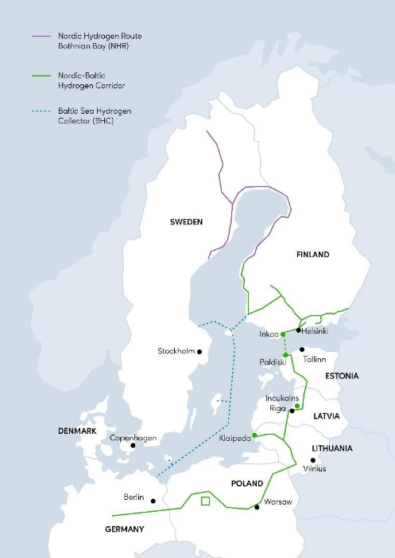
1. National data |  |  |  |  |  | 3. Transmission
Source |  | [1] Visual Platform. TYNDP 2024 release - Distributed Energy 2035 scenario. |  |  |  | Existing h2 connections
 |  | [2] H2 Storages.xlsx |  |  |  | FINO | SE01 | 7899 | 7546
Simplifications |  | No H2 inports and production from CH4 -> demand is scaled down to production capacity of electrolyser over all countries present in North European model |  |  |  | FISW | IBFI | 21000 | 21000
 |  |  |  |  |  | FIUU | EE00 | 8330 | 4205
 |  | H2 supply is determined by the model. H2 demand sectors are not modeled.
 |  |  |  | FI | NE | Extending tyndp2024 cross-border lines internally
Capacity [1] | Electrolyser |  | MW_h2 | 15,300 | 146,690 | FINO | FIWE | 8000
 | Imports |  |  | 55,310 | 326,130 | FIWE | FISW | 8000
 | Steam CH4 reformer |  |  | 500 | 21,860 | FIWE | FICE | 8000
Supply [1] | Electrolyser |  | TWh_h2 | 50.5 | 397.6 | FICE | FISE | 8000
 | Imports |  |  | -28.7 | 175.8 | FISE | FIUU | 8000
 | Steam CH4 reformer |  |  | 2.2 | 157.0
 | Total |  |  | 52.7 | 730.4
Demand [1] | E-diesel |  | TWh_h2 | 3.2 | 108.9
 | E-kerosene |  |  | 3.2 | 108.3
 | H2 boiler |  |  |  | 7.1
 | H2P |  |  |  | 3.5
 | Native |  |  | 14.9 | 588.0
 | SNG |  |  | 2.7 | 93.9
 | Total |  |  | 24.0 | 909.8
 | Native share |  |  | 62% | 65%
 | Total (normalized) |  |  | 10.5
Storage [2] | ST (dis)charge |  | MW_h2 | 267 | 8,049
 | LT charge |  |  | 3,129 | 56,361
 | LT discharge |  |  | 1,659 | 29,879

2. Regional breakdown
Assumtions | Electrolyser capacity is distributed proportionally to projectected non-CHP electricity production capacity

 | H2 demand and storage capacities are distributed proportionally to non-electrified demand
 | Both omit East as H2 grid does not reach it
 | Electrolyser [MW] | Demand [TWh_h2] | Storage [MW_h2]
 |  |  | ST +/- | LT+ | LT-
North | 5,879 | 2.5 | 64.0 | 750.5 | 397.9
West | 6,754 | 2.0 | 52.1 | 611.3 | 324.1
Center | 572 | 1.8 | 45.9 | 538.3 | 285.4
East
South West | 832 | 0.4 | 11.1 | 130.0 | 68.9
South East | 828 | 3.7 | 93.7 | 1099.4 | 582.8
Uusimaa | 437 | 2.6 | 65.7 | 771.2 | 408.8
 | 15,300 | 13.0 | 332 | 3,901 | 2,068

non-CHP electricity generation capacity
Region | Capacity
North | 28,517
West | 32,762
Center | 2,773
East | 4,789
South West | 4,034
South East | 4,017
Uusimaa | 2,118
Total | 79,009
Total - East | 74,220

